IT Technical Specification
 | IT TECHNICAL SPECIFICATION
ORGANIZATION
PROJECT NAME | KANVASS
Project Participants | Mark Gaskin | 16111931
 | Patrick Moran | 16102860
 | Stefan Dworschak | 15037835
 | Tetsuya Matsushita | 15045111

PROJECT
OVERVIEW
Kanvass is an innovative presentation service that allows the user to amalgamate traditional presentation structures with new media applications on a single platform. All users of the platform will be able to create new presentations which will give them the ability to add traditional presentation slides along with graphical analysis, media content, social media attributes, research studies and even location services which will provide the reader with a complete understanding of the subject. The user will be able to design the structure of the presentation by chopping and changing their presentation until they are happy to share it with friends or colleagues. The intended customers are Corporate Businesses/Enterprises who can share new process flows, ideas, analysis easily and quickly with a new edge. Marketing/Sales staff can create new proposals to win business or create marketing portfolios. Students/Colleges create interactive content to share for better learning experiences. For Private Users the platform will help celebrate special moments in their lives with loved ones (e.g. Engagement/Weddings, Birthdays etc) they can also express creativity and share with friends & family.
OBJECTIVE
The Kanvass project will consist of creating a marketable self-creation tool based upon the the ability to add traditional presentation formats alongside new media tools to create an all-encompassing presentation suite.
RISKS
The single greatest risk to the company is entering an already established market and gaining a solid foothold. Also, due to our current non-trading situation we are looking at opportunity loss. This results in potential customers using other competitor platforms.

TECHNICAL USAGE DESIGN DIAGRAM
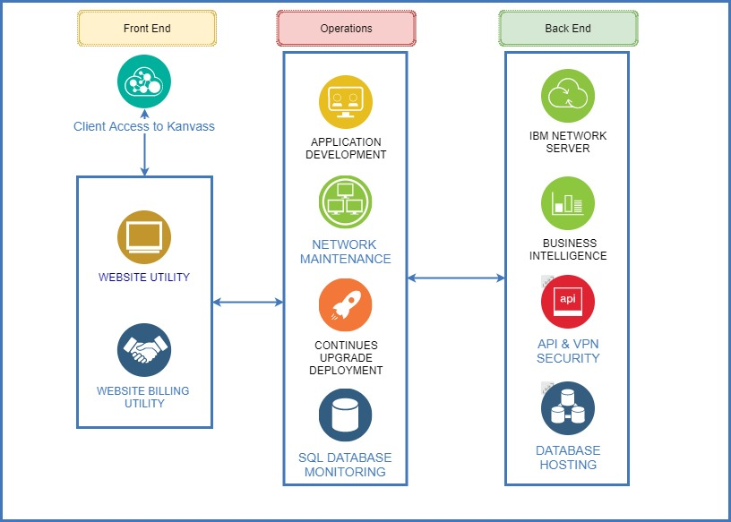 The diagram should illustrate all required new and existing technical resources.
COMPONENTS
CONNECTION & LOCATION
Designate how new infrastructure will connect within existing infrastructure and where it will be located.
SERVERS & STORAGE & NETWORK
Except in the case that specific tech issues are expected to require physical resources, assume all are virtual.
LOGICAL DATA FLOW
CRITICAL ANCILLARY EQUIPMENT & CONNECTIONS
System Architecture
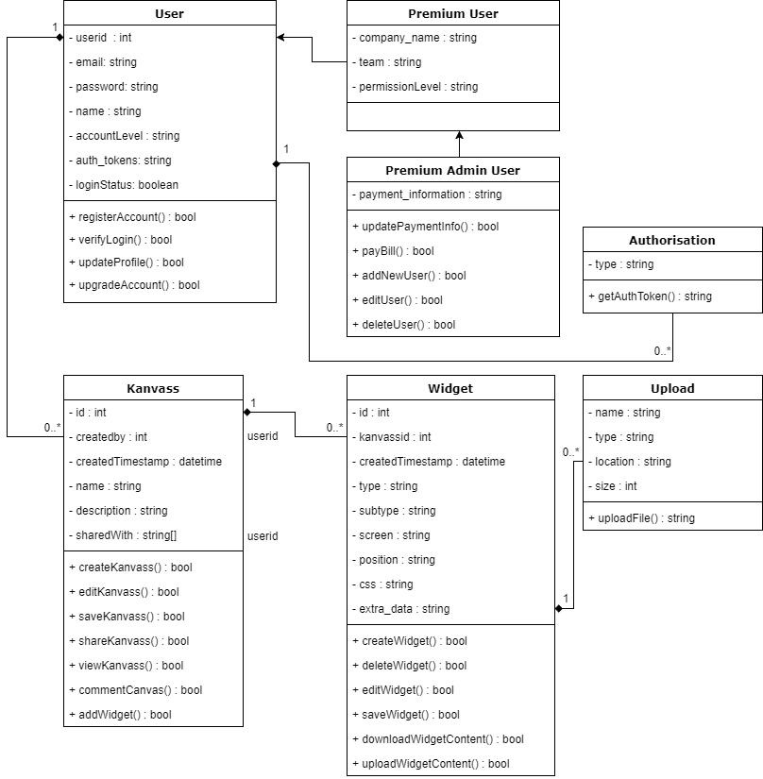

TECHNICAL SPECIFICATIONS
SERVERS
APPLICATION SERVERS
operating system | IBM Cloud
application memory requirements
application CPU requirements
functional characteristics | IBM® Cloud is a platform that helps developers build and run modern apps and services. It provides developers with instant access to the compute and services they need to launch quickly, iterate continuously and scale with success. With services across mobile, IoT, IBM Watson® and more, IBM Cloud is an ideal platform to power the next wave of apps that thrive on data. (Ibm.com, 2018)
expected application transaction volume
FILE SERVERS
operating system | N/A
application memory requirements | N/A
application CPU requirements | N/A
functional characteristics | N/A
expected application transaction volume | N/A
WEB SERVERS
operating system | IBM Cloud
application memory requirements
application CPU requirements
functional characteristics | IBM® Cloud is a platform that helps developers build and run modern apps and services. It provides developers with instant access to the compute and services they need to launch quickly, iterate continuously and scale with success. With services across mobile, IoT, IBM Watson® and more, IBM Cloud is an ideal platform to power the next wave of apps that thrive on data. (Ibm.com, 2018)
expected application transaction volume
DATABASE SERVERS
operating system | MongoDB
application memory requirements | TBC
application CPU requirements | TBC
functional characteristics | MongoDB is the leading NoSQL database, designed for how we build and run applications today. MongoDB empowers organizations to be agile and scalable. It helps us enable new types of applications, improve customer experience, accelerate time to market and reduce total cost of ownership (TCO). MongoDB is a general purpose, open-source database. MongoDB features: Document data model with dynamic schemas Full, flexible index support and rich queries Auto-Sharding for horizontal scalability Built-in replication for high availability Text search Advanced security Aggregation Framework and MapReduce Large media storage with GridFS (MongoDB, 2018)
expected application transaction volume
SERVER REQUESTS
List required server needs, file names, or attached completed request forms.
Year 1 users 14,400 - Year 2 users 48,000 ?MB per user on Google? 500MB per user on local server Server bandwidth required for the below staff: Developers Quality Assurance DBA Network Engineer
ACCESS REQUIREMENTS
Number of users requiring simultaneous access to platform controls: Developers x 2 Quality Assurance x 1 DBA x 1 Network Engineer x 1 IT Project Manager x 1
DATABASES
Describe each database required and its function. Include database version required, Oracle or SQL server, memory requirements, CPU requirements, storage amount needed in first year in GB, projected annual growth in % or GB, expected transaction volume, special data preservation requirements, and tech spec data sheet if available.
MongoDB

RESOURCE REQUIREMENTS
STAFF RESOURCES
Developers x 2 Quality Assurance x 1 DBA x 1 Network Engineer x 1 IT Project Manager x 1 Business Analyst x 1
STAFF DEPENDENCIES
Developers & Network Engineer

Project Development Cost
COCOMO Model
19.50053401 [Calculation to the power of size of penalty factor by linear productivity factor] 3.250089002 [Calculation of Linear productivity factor by number of months (6 Months)] 87752.40304 [Development ime by staff cost per month by number of months (6 Months)] ____________________________________________________________________________________ Calculation elements: 1.03 Penalty factor Ecomm / Approx 6,200 lines of code / 3.08 Linear productivity factor / 6 Month development time Overall Project Cost: €87,752.40

Bibliography

MongoDB. (2018). MongoDB Overview testy. [online] Available at: https://www.mongodb.com/mongodb-overview-testy [Accessed 7 Apr. 2018]. Ibm.com. (2018). IBM Cloud - Overview - Ireland. [online] Available at: https://www.ibm.com/ie-en/marketplace/cloud-platform [Accessed 7 Apr. 2018].

DOCUMENT TRACKING
VERSION | EDITS COMPLETED BY | DATE | DESCRIPTION OF EDIT
0.1 | Mark Gaskin | 04/05/2018 | Introduction details added - Organisation, Project overview, Project objectives, Project risk and Techincal usage design diagram.
0.2 | Mark Gaskin | 05/04/2018 | System Architecture
0.3 | Mark Gaskin | 04/07/2018 | Enter overview of server assignment and needs.
0.4 | Mark Gaskin | 07/04/2018 | COCOMO model project costing

